Sheet1
Cause Validation Sheet
Sr. No. | Machine | Problem | FA | CA | Remarks.
1 | FT M/C | CCD continuously Ng | check the robot connected with software. | if robot disconnected with software then restart the robot controller. | 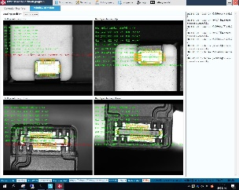 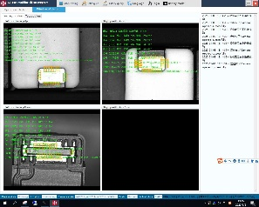
2 | Image Capturing | If FDR Failure issue face in machine | 1. Check Ethernet Cable losses between machine to MAC | 1. Change Ethernet Cable from MAC to Machine
3 | Leakage Machine | If Scanner Continuoulsy scanning and scanning is OK but not sending Data to software | 1. Check Barcode Length OK or NOT in Software | 1. If Barcode Length not OK then change it.
4 |  | If Process Defeat Data is not sending to BIS | 1. Check BIS Communication.dll file is updated one or not | 1. Change BIS Communication.dll file in bot Software Location i.e; leakage and DCS.
5 | ALL M/C | Power / Control get OFF of Machine | 1. Check whether SMPS is ON or NOT | 1. If not ON check input Power OK or NOT. 2. If Input Power OK then change SMPS
6 | Common | Servo motor Position Alarm | 1. Limit Sensor faulty 2. Servo motor coupling damage 3. Limit sensor power supply failure 4. Dust inside the sensor | 1. Change the sensor 2. Change the coupling 3. Check the input power supply of sensor 4. Clean the Sensor
7 | Common | Vacuum Alarm | 1. Vacuum venturi faulty 2. Pipe leakage 3. Vacuum Pad faulty. 4. Solenoid valve faulty 5. Pressure Switch faulty 6. Air pressure low 7. Dust inside the venturi 8. Product faulty | 1. Change the vacuum venturi 2. Change the air pipe 3. Change the Vacuum Pad 4. Change the Solenoid valve 5. Change the pressure switch 6. Check Input pressure 7. Clean the venture 8. Check the product surface
8 | Common | Cylinder not in origin position | 1. Cylinder leakage 2. Cylinder piston rod open 3. Flow control faulty 4. Air supply not ok 5. Reed switch faulty 6. Solenoid valve faulty 7. Solenoid coil faulty 8. Stopper Loose | 1. Change the cylinder 2. Change the cylinder 3. Change the Flow control 4. Check input Pressure 5. Change the reed switch 6. Change the solenoid valve 7. Change the solenoid coil 8. Stopper tight
9 | Common | Drive mode Alarm | 1. Drive Power supply failure 2. Communication Cable faulty 3. Ethernet port dusty 4. Motor over load | 1. Check drive input power supply 2. Change the Communication cable 3. Clean the Ethernet port. 4. Change the motor
10 | Common | Machine Control OFF | 1. 220 V AC supply failure 2. 24 V DC supply shorting in field 3. Main supply connector faulty/Carbonize 4. SMPS faulty/Fan not working | 1.Check the Main MCB 2. Check the field wiring 3.Check and replaced the connector 4. Change the SMPS | If shorting not found then remove the + supply one by one from main supply if Power Resume then check particular area
11 | Plasma M/C | Plasma not coming | 1. Plasma rotation assy. Belt broken 2. Plasma station electrode faulty 3. Plasma signal is not coming 4. Controller faulty | 1. Changed the belt. 2. Change the Electrode 3. Check the wiring 4. Change the Plasma controller | To verify the station Swap the Parts of other station Check the manual plasma
12 | Common | Servo Motor Change | 1. Station physical position change | 1. Servo calibration to be done | Station need to take upto nagetive limit and Calibration to be done
13 | Common | Servo battery Alarm E731 | Battery Voltage is Low < 3.5 Volt | Battery need to be replaced | Drive Power should be ON during ther battery change
14 | Common | PC Hang (Keyboard and Mouse is not working ) | Continue Part NG | Restart the PC

